IRR
IRR - Internal Rate of Return

 |  |  |  |  | 10% |  |  |  | 20%
Project life: |  | 4 years | Year | Cashflows | DF | PV | Year | Cashflows | DF | PV
Investment: |  | 50,000 | 0 | (50,000) | 1.000 | (50,000) | 0 | (50,000) | 1.000 | (50,000)
Net inflow in year 1: |  | 20,000 | 1 | 20,000 | 0.909 | 18,182 | 1 | 20,000 | 0.833 | 16,667
Net inflow in year 2: |  | 20,000 | 2 | 20,000 | 0.826 | 16,529 | 2 | 20,000 | 0.694 | 13,889
Net inflow in year 3: |  | 15,000 | 3 | 15,000 | 0.751 | 11,270 | 3 | 15,000 | 0.579 | 8,681
Net inflow in year 4: |  | 10,000 | 4 | 20,000 | 0.683 | 13,660 | 4 | 20,000 | 0.482 | 9,645
Salvage Value: |  | 10,000 | Net Present Value |  |  | 9,641 | Net Present Value |  |  | (1,119)
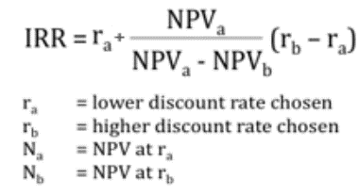
Discount Rate: |  | 10%

=IRR(values,guess)
Values | Cashflows

